Sheet1
Test CaseID | Test Scenario | Test Case | Pre Condition | Test Type | Test Data | Test Step | Expected Result | Actual Result | Excecution Date | Status | Picture
TC_51 | Check the Register Functionality | Verify success Input valid Nama Lengkap, valid Email, valid Nomor Handphone, and valid Password | Already connected to the internet Already access register page sepulsa Users have not been register Already view "daftar" button. | Positive | Nama Lengkap : Atika Dewi Setiani Email : setianiatikadewi@students.unnes.ac.id Nomor Handphone : 081328120493 Password : rQ****** | 1. Inpus valid Nama Lengkap 2. Input valid Email 3. Input valid Nomor Handphone 4. Input valid Password 3. Click done "Daftar" button | Register success | Register success | 2023-02-26 | Passed
TC_52 | Check the Register Functionality | Leave one of the fields blank, for example email | Already connected to the internet Already access register page sepulsa Users have not been register Already view "daftar" button. | Negative | Nama Lengkap : Atika Dewi Setiani Email : "empty" Nomor Handphone : 081328120493 Password : rQ****** | 1. Inpus valid Nama Lengkap 3. Input valid Nomor Handphone 4. Input valid Password 3. Click done "Daftar" button | Can't click "daftar" | Can't click "daftar" | 2023-02-26 | Passed
TC_53 | Check the Register Functionality | Input a password that is too short, for example 2 letters | Already connected to the internet Already access register page sepulsa Users have not been register Already view "daftar" button. | Negative | Nama Lengkap : Atika Dewi Setiani Email : setianiatikadewi@gmail.com Nomor Handphone : 081328120494 Password : Ab | 1. Inpus valid Nama Lengkap 2. Input valid Email 3. Input valid Nomor Handphone 4. Input valid Password 3. Click done "Daftar" button | Failed to register and displays the message "Ensure this field has at least 8 characters." | Failed to register and displays the message "Ensure this field has at least 8 characters." | 2023-02-26 | Passed
TC_54 | Check the Register Functionality | Input the email/mobile number that was previously registered | Already connected to the internet Already access register page sepulsa Users have not been register Already view "daftar" button. | Negative | Nama Lengkap : Atika Dewi Setiani Email : setianiatikadewi@students.unnes.ac.id Nomor Handphone : 081328120493 Password : Atika2676 | 1. Inpus valid Nama Lengkap 2. Input valid Email that was previously registered 3. Input valid Nomor Handphone that was previously registered 4. Input valid Password 3. Click done "Daftar" button | Failed to register and displays the message " user with this email address/phone already exists." | Failed to register and displays the message " user with this email address/phone already exists." | 2023-02-26 | Passed
TC_55 | Check the Register Functionality | Input invalid email | Already connected to the internet Already access register page sepulsa Users have not been register Already view "daftar" button. | Negative | Nama Lengkap : Atika Dewi Setiani Email : setianiatikadewi@student.unnes.ac.id Nomor Handphone : 081328120494 Password : Atika2676 | 1. Inpus valid Nama Lengkap 2. Input valid Email 3. Input valid Nomor Handphone 4. Input valid Password 3. Click done "Daftar" button | Failed to register and displays the message "Email tidak valid, silahkan isi kembali" | Failed to register and displays the message "Email tidak valid, silahkan isi kembali" | 2023-02-26 | Passed
TC_56 | Check feature functionality feature see article | Open one of the articles in the sepulsa application | Already connected to the internet Already access register page sepulsa The user has logged in Already view all the articles | Positive | All article | 1. Click one of article | Successfully displays related article pages | Successfully displays related article pages | 2023-02-26 | Passed | 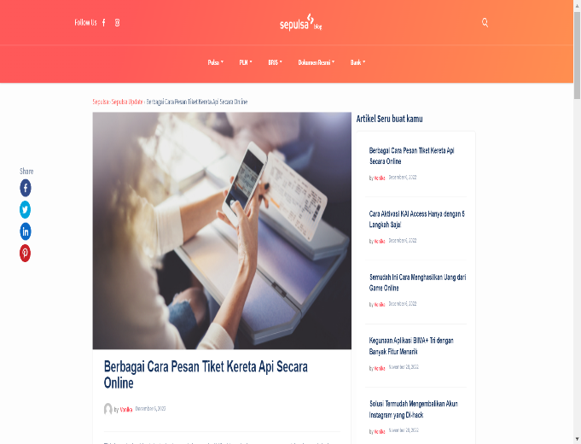
TC_57 | Check feature functionality sub menu in see article | Open one of the social media in the sepulsa application, for example facebook | Already connected to the internet Already access home page sepulsa The user has logged in Already view all the articles | Positive | Sepulsa's facebook page | 1. Click one of article 2. Click on the Facebook icon in the top left corner | Successfully display sepulsa's facebook page | successfully display sepulsa's facebook page | 2023-02-26 | Passed | 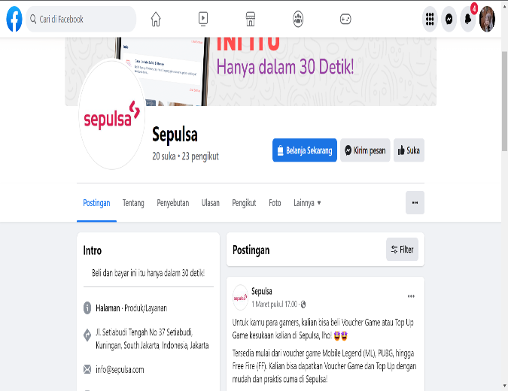
TC_58 | Check feature functionality sub menu in see article | Open one of the social media in the sepulsa application, for example instagram | Already connected to the internet Already access home page sepulsa The user has logged in Already view all the articles | Positive | Sepulsa's instagram page | 1. Click one of article 2. Click on the instagram icon in the top left corner | Successfully display sepulsa's instagram page | successfully display sepulsa's instagram page | 2023-02-26 | Passed | 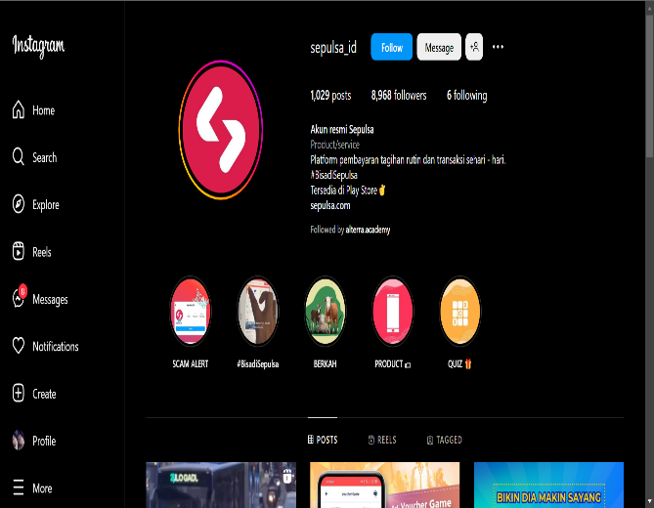
TC_59 | Check feature functionality sub menu in see article | verify searches with keywords up to, for example jokowi | Already connected to the internet Already access home page sepulsa The user has logged in Already view all the articles | Negative | All article about Jokowi | 1. Click one of article 2. Click on the seacrh icon 3. Input keyword "jokowi" | displays articles about jokowi | does not display articles about jokowi | 2023-02-26 | Failed | 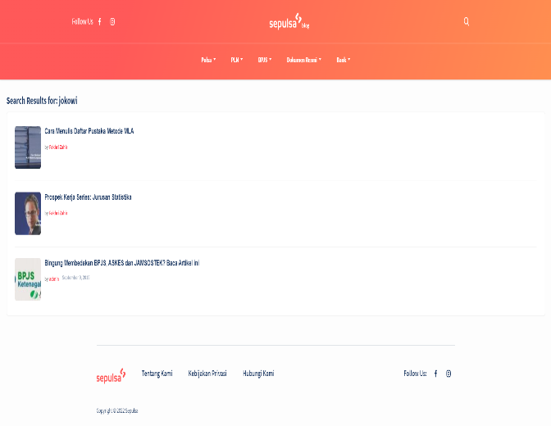
TC_60 | Check feature functionality sub menu in see article | Open one of the articles in the BPJS sub menu, select Health BPJS | Already connected to the internet Already access home page sepulsa The user has logged in Already view all the articles | Positive | All article about health BPJS | 1. Click one of article 2. Click one of the sub menu, for example BPJS 3. Select and click "BPJS Kesehatan" | display articles about health BPJS | display articles about health BPJS | 2023-02-26 | Passed | 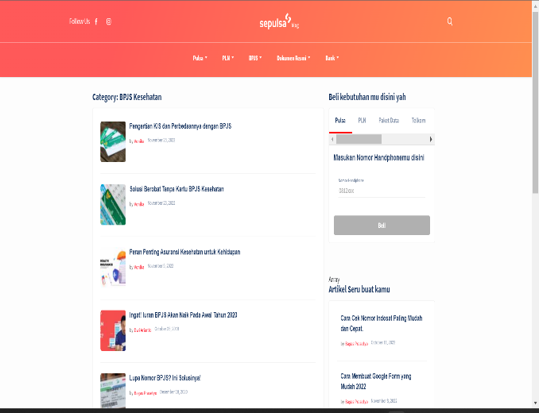
TC_61 | Check the functionality of the transaction history feature | View transaction history without logging in | Already connected to the internet Already access home page sepulsa Users have not been logged in Already view "Riwayat" menu | Negative | Transaction date Order id Payment method transaction details | 1. Click "Riwayat" menu | Can't see any transaction history | can't see any transaction history | 2023-02-26 | Passed
TC_62 | Check the functionality of the transaction history feature | View transaction history after login | Already connected to the internet Already access home page sepulsa The user has logged in Already view "Riwayat" menu | Positive | Transaction date Order id Payment method transaction details | 1. Click "Riwayat" menu | can view the history of any transaction | can view the history of any transaction | 2023-02-26 | Passed

